Instruction
To record your rental income and expenses:
1. Please click "Record Keeping" sheet at the bottom of this page
2. Under "Rental Record Keeping", start recording your income and expenses including date, description, type and amount

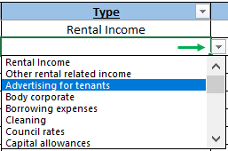

3. To select a type of expense:
a. Click in a cell in the "Type" section
b. A dropdown icon will appear to the right of the cell
c. Click on the icon and select the relevant item from the list
4. Please use "Notes" section to provide more details to the accountants if necessary
5. If you purchased a new asset during the year, please select "New asset purchased" from the drop down list.
6. If you are unsure what type of expense it is, please select "Other expenses" from the drop down list and explain what it is in the "Notes" section.
*Please note that both income and expenses will be transferred automatically to the highlighted yellow cells under "Rental Summary" according to the type selected.
*Any amounts under "Other expenses"and "New asset purchased" will not be taken into the Net Rent calculation . Our accountants will check these amounts and put them in the correct section for you after the return is signed.

NOTES:
If you share ownership of the property you should still enter 100% of the rental income and expenses. We will apportion them for you.
If you have multiple rental properties - please record each rental property on a different excel spreadsheet

You can download a blank copy of this excel spreadsheet from the link below:

